Indices

 | Iraq Stock Exchange
 | Bulletin No (145)
 | ISX Trading Indices of Thursday 20/8/2026

 | Traded Volume and OTC |  | 634,679,985 |  | Traded Value and OTC |  | 1,085,376,131 |  | Traders | 1168

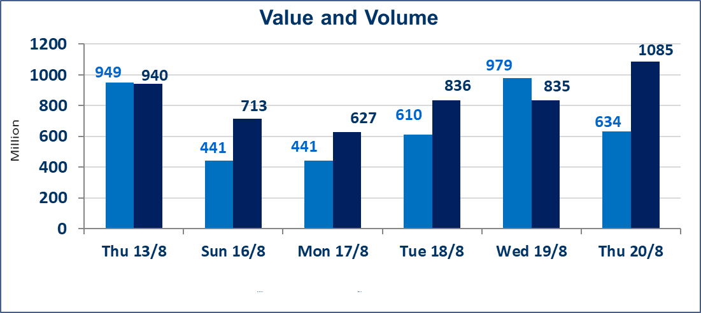
 | ISX Index 60 |  |  | 1017.59 | ISX Index 15 |  |  | 1254.61
 | Previous ISX Index60 |  |  | 1032.66 | Previous ISX Index15 |  |  | 1260.36
 | Change % |  |  | -1.46 | Change % |  |  | -0.46
 | Change |  |  | -15.07 | Change |  |  | -5.75

 | Listed Companies | 103 | OTC | 22 | Non Traded listed | 38 | OTC | 20
 | Traded Listed Companies | 40 | OTC | 2 | Higher Companies |  |  | 8
 | GAM Companies |  |  | 5 | Lower Companies |  |  | 15
 | Suspended Companies |  |  | 20
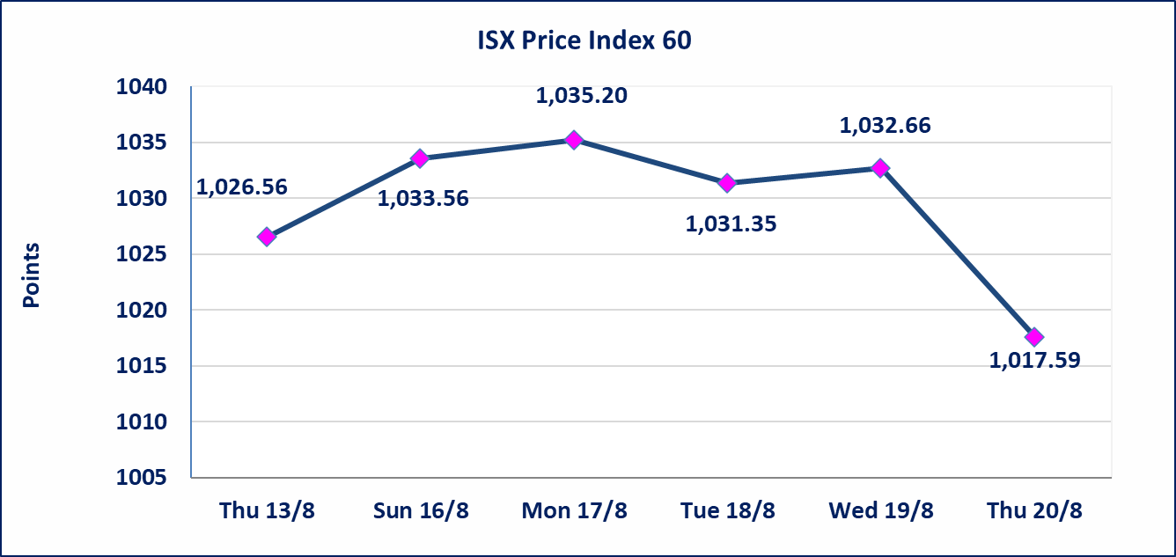
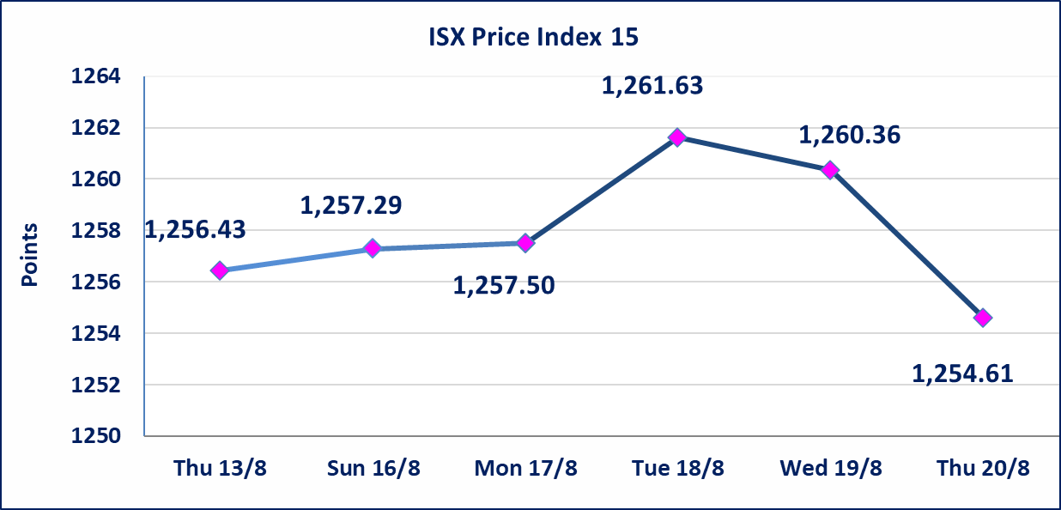

Al-Alwiya P.O . 3607 Mobile: 07711211522 - 07270094594 - 07834000034 E-mail: info-isx@isx-iq.net Web site:www.isx-iq.net

Top 5

ISX top ganing and losing companies
Thursday 20/8/2026
 | Gainers |  |  |  | Losers
 | Company Name | Closing Price | Change (%) | Traded Volume | Company Name | Closing Price | Change (%) | Traded Volume
 | Al-Ameen for Insurance | 0.900 | 3.45 | 356,991 | Rehab Karbalaa | 0.500 | -7.41 | 129,032
 | Investment Bank of Iraq | 0.380 | 2.70 | 26,905,851 | General Transportation | 1.400 | -3.45 | 361,041
 | Modern Sewing | 8.000 | 2.30 | 3,600,909 | Al -Khazer Construction Materials | 1.260 | -3.08 | 4,900,000
 | Baghdad Hotel | 12.200 | 0.83 | 1,429,373 | Ashur International Bank | 0.320 | -3.03 | 5,855,000
 | The Light Industries | 1.320 | 0.76 | 401,607 | Fallujah for construction Materials | 2.800 | -2.10 | 1,206,000
 | The most active companies in term of traded volume and value

 | Traded Volume |  |  |  | Traded Value
 | Company Name | Closing Price | Change (%) | Traded Volume | Company Name | Closing Price | Change (%) | Traded Value
 | Al -Mansour Bank | 2.150 | 0.47 | 191,007,593 | Al -Mansour Bank | 2.150 | 0.47 | 410,109,212
 | Economy Bank | 0.260 | 0.00 | 93,037,505 | National Bank of Iraq | 3.880 | -1.77 | 192,572,757
 | Iraqi Islamic Bank | 1.010 | -15.13 | 54,192,397 | Baghdad Soft Drinks | 6.240 | -0.95 | 92,522,978
 | National Bank of Iraq | 3.880 | -1.77 | 49,357,520 | Asia Cell Telecommunication | 15.890 | -0.44 | 92,309,972
 | Credit Bank Of Iraq | 0.510 | 0.00 | 37,961,612 | Iraqi Islamic Bank | 1.010 | -15.13 | 54,719,617

Top Five by Volume
 | الشركات الأكثر تداول من حيث عدد الاسهم
Al -Mansour Bank | 191007593 | 442192793 | 442192793
Economy Bank | 93037505 | 194000000 | 194000000
Iraqi Islamic Bank | 54192397 | 189906866 | 189906866
National Bank of Iraq | 49357520 | 53771380 | 53771380
Credit Bank Of Iraq | 37961612 | 41834293 | 41834293
Top Five by Value
 | الشركات الأكثر تداول من حيث قيمة التداول
Al -Mansour Bank | 410,109,212
National Bank of Iraq | 192,572,757
Baghdad Soft Drinks | 92,522,978
Asia Cell Telecommunication | 92,309,972
Iraqi Islamic Bank | 54,719,617

Non Iraqis

Iraq Stock Exchange
Non Iraqis' Bulletin Thursday August 20 2026
Regular Market

Non Iraqi Trading of Regular Market (Buy)
Company Names | Code | No.of trades | Traded Shares | Trading Volume
Telecommunication Sector
Asia cell | TASC | 1 | 12,464 | 198,801
Total Telecommunication sector |  | 1 | 12,464 | 198,801
Grand Total |  | 1 | 12,464 | 198,801

Non Iraqi Trading of Regular Market (Sell)
Company Names | Code | No.of trades | Traded Shares | Trading Volume
Banks Sector
National Bank Of Iraq | BNOI | 41 | 16,019,657 | 62,477,196
Total Bank sector |  | 41 | 16,019,657 | 62,477,196
Telecommunication Sector
Asia cell | TASC | 111 | 4,429,846 | 70,510,172
Total Telecommunication sector |  | 111 | 4,429,846 | 70,510,172
Grand Total |  | 152 | 20,449,503 | 132,987,368

Not Trading Bonds

Iraq Stock Exchange
Thursday 20/8/2026
Not Trading Bonds Bulletin
Bond type | Publish type | Code | last trading price | immortilize date
Banaa Bonds /Million ID | Second | CB20 | 964,981 | 19/12/2025
Eamar Bonds /Million ID | First | CB30 | 1,001,095 | ــــــــــــــــ
Eamar Bonds /Million ID | Second | CB40 | ــــــــــــــــ | ــــــــــــــــ
Eamar Bonds /500 Thousand ID | Third | CB45 | ــــــــــــــــ | ــــــــــــــــ
Eamar Bonds /Million ID | Third | CB50 | ــــــــــــــــ | ــــــــــــــــ
Injaz Bonds /500 Thousand ID | First | CB55 | ــــــــــــــــ | ــــــــــــــــ
Injaz Bonds /500 Thousand ID | Second | CB65 | 515,493 | ــــــــــــــــ
Injaz Bonds /Million ID | First | CB60 | 951,110 | ــــــــــــــــ
Injaz Bonds /Million ID | Second | CB70 | 965,050 | ــــــــــــــــ
Injaz Bonds /500 Thousand ID | Third | CB75 | ــــــــــــــــ | ــــــــــــــــ
Injaz Bonds /Million ID | Third | CB80 | 978,182 | ــــــــــــــــ
National Bonds/Million ID | First | CB90 | ــــــــــــــــ | ــــــــــــــــ
National Bonds/500 Thousand ID | Second | CB95 | ــــــــــــــــ | ــــــــــــــــ
National Bonds/Million ID | Second | CB100 | ــــــــــــــــ | ــــــــــــــــ

